Sheet1
 |  |  | Project Parts Request Form

Project Group Name and Number: |  |  | Gyrocontrolled camera robot (Gorup No. 7)
Student Name, Number and Email Address: |  |  | Panchal, Parth Vipinchandra | 7673957 | Ppanchal3957@conestogac.on.ca
Student Name, Number and Email Address: |  |  | Kunnathedath, Mahroof Shahnas | 8122913 | mkunnathedath2913@conestogac.on.ca
Student Name, Number and Email Address: |  |  | George, Eugene | 8056707 | Egeorge6707@conestogac.on.ca
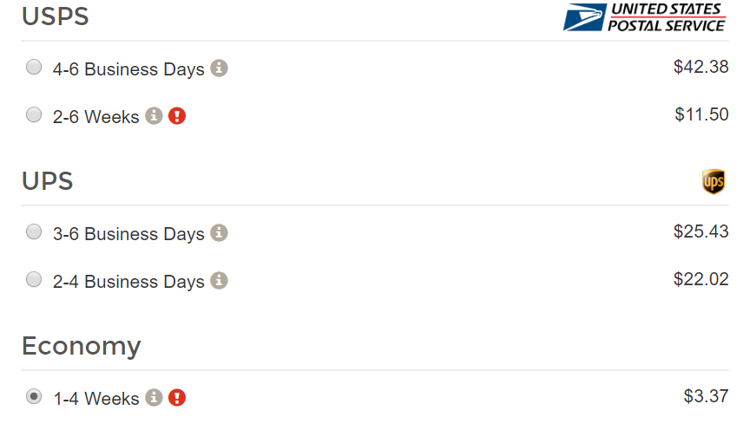
Student Name, Number and Email Address:

If the Parts are not returned in working condition or paid for by the end of the semester, grades and/or creditionals will not be issued
to the students until the account has been settled

Each group is entitled to $75 per student, which includes purchase price, taxes and shipping. You may not exceed this amount.
If you have purchases that exceeds the alloted amount, use must purchase this on your own to your own shipping address.
Make sure that parts are in-stock (available), or your part may not be delivered in time for your project!

Please only use the following distributors: |  |  | Digi-Key | Newark | Sparkfun
 |  |  | Adafruit | Robotshop

Date | Quantity | Part Number | Link to Part Website | Description | Cost with taxes ($CAD) | Shipping Cost
 | 1 | 3708 | https://www.adafruit.com/product/3708 | Raspberry Pi Zero WH (Zero W with Headers) | $14.00 | 21 for all items on adafruit
 | 1 | 3100 | https://www.adafruit.com/product/3100 | Raspberry Pi NoIR Camera Board v2 - 8 Megapixels | $29.95
 | 1 | 3157 | https://www.adafruit.com/product/3157 | Raspberry Pi Zero v1.3 Camera Cable | $5.95
 | 1 | 3253 | https://www.adafruit.com/product/3253 | Adafruit Raspberry Pi Camera Board Case with 1/4" Tripod Mount | $2.95
 | 2 | SEN-14686 ROHS | https://www.sparkfun.com/products/14686 | SparkFun VR IMU Breakout - BNO080 (Qwiic) | $34.95 | shipping cost image above
 | 1 | RB-Spa-1487 | https://www.robotshop.com/ca/en/pan-tilt-bracket-kit-single-attachment.html | Pan/Tilt Bracket Kit (Single Attachment) | $10.56 | 0
 | 1 | RB-Ard-100 | https://www.robotshop.com/ca/en/arduino-mkr1000-wifi-microcontroller.html | Arduino MKR1000 WiFi Microcontroller | $56.48 | 0
 | 2 | RB-Dfr-667 | https://www.robotshop.com/ca/en/6v-1201-160rpm-micro-dc-geared-motor-encoder.html | 6V, 120:1, 160RPM Micro DC Geared Motor w/Encoder | $24.20 | 0
 | 2 | RB-Dfr-124 | https://www.robotshop.com/ca/en/dfrobot-micro-servo-motor.html | DFRobot Micro Servo Motor | $13.56 | 0
 | 2 | RB-Dfr-79 | https://www.robotshop.com/ca/en/tamiya-wheels-pair.html | Rubber Wheel for A4WD and A2WD (Pair) | $8.21 | 0
 | 1 | RB-Oel-59 | https://www.robotshop.com/ca/en/dc-motor-driver-module.html | DC Motor Driver Module | $11.13 | 0
 | 1 | RB-Sct-1057 | https://www.robotshop.com/ca/en/2-swivel-caster-wheel.html | 2" Swivel Caster Wheel | $12.03

 |  |  | Total Cost (Quantity * Price With Tax + Shipping) : |  | $223.97

